Form 8 - LDRRMFU
FDP Form 8 - Local Disaster Risk Reduction and Management Fund Utilization
(Commission on Audit Form)

LOCAL DISASTER RISK REDUCTION AND MANAGEMENT FUND UTILIZATION

REGION: | REGION XI - DAVAO REGION |  | CALENDAR YEAR: | 2023
PROVINCE: | DAVAO DEL NORTE |  | QUARTER: | 2
CITY/MUNICIPALITY: | KAPALONG

Particulars | LDRRM Fund |  | NDRRM Fund | From Other LGUs | From Other Sources | Total
 | Quick Response Fund (QRF) 30% | Mitigation Fund 70%

A. Sources of Funds
Current Appropriations | 6,761,255.00 | 15,776,262.00 |  |  |  | 22,537,517.00
Continuing Appropriations |  | 2,889,040.10 |  |  |  | 2,889,040.10
Previous Years' Appropriations Transferred to the Special Trust Fund
(Year 1) |  |  |  |  | 11,143,790.53 | 11,143,790.53
(Year 2) |  |  |  |  | 2,680,651.77 | 2,680,651.77
(Year 3) |  |  |  |  | 1,583,276.20 | 1,583,276.20
(Year 4) |  |  |  |  | 500.00 | 500.00
(Year 5) |  |  |  |  | 242,700.00 | 242,700.00
Transfer/Grants |  |  |  | 3,146.80 |  | 3,146.80
Total Funds Available | 6,761,255.00 | 18,665,302.10 |  | 3,146.80 | 15,650,918.50 | 41,080,622.40
B. Utilization
Medicines |  | 100,000.00 |  | - |  | 100,000.00
Fuel |  | 879,594.10 |  |  |  | 879,594.10
Supplies and Materials |  | 1,007,537.25 |  |  | 700,000.00 | 1,707,537.25
OMOE |  | 1,168,513.00 |  |  |  | 1,168,513.00
Land Improvements
Road Networks |  |  |  |  | 2,611,200.00 | 2,611,200.00
Other Structures
Power Supply System |  | 659,190.00 |  |  |  | 659,190.00
Food Supplies
Flood Control System
Other Property, Plant & Equipment |  | 350,000.00 |  |  | 100,000.00 | 450,000.00
Communication Equipment
Disaster Response & Rescue Equipment |  | 1,800,000.00 |  |  |  | 1,800,000.00
Repair of Evacuation Center
Trainings
Construction of Evacuation Center

Equipment
Transfers to other LGUs
Total Utilization |  | 5,964,834.35 |  |  | 3,411,200.00 | 9,376,034.35
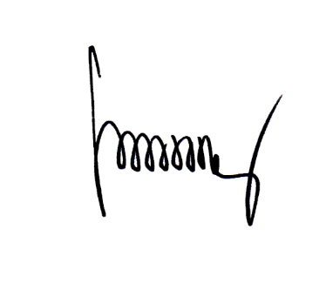
Unutilized Balance | 6,761,255.00 | 12,700,467.75 |  | 3,146.80 | 12,239,718.50 | 31,704,588.05

We hereby certify that we have reviewed the contents and hereby attest to the veracity and correctness of tha data or information contained in this document.

FREDE SWINDA B. ESTRADA, CPA
Local Accountant

