Form 11 - SEFU
FDP Form 11 - SEF Utilization
(DepEd-DBM-DILG Joint Circular No. 1 s. 2017, SEF Budget Accountability Form No. 1)

 |  |  | SPECIAL EDUCATION FUND UTILIZATION
 |  |  | 3rd Quarter, CY 2022

Province of Dava del Norte, Municipality of Kapalong

Receipt from SEF |  |  |  |  | 5,754,530.26

Less: | DISBURSEMENTS (broken down by expense class and by object of expenditures)

 | Personal Services
 | ___________________________________________________________________________________________ |  |  |  | 0
 | ___________________________________________________________________________________________ |  |  |  | 0
 | ___________________________________________________________________________________________ |  |  |  | 0

 | Maintenance and Other Operating Expenses
 | ______________________________________________________________________________________ |  |  |  | 3,751,226.81
 | ___________________________________________________________________________________________ |  |  |  | 0
 | ___________________________________________________________________________________________ |  |  |  | 0

 | Capital Outlay
 | ___________________________________________________________________________________________ |  |  |  | 240,000.00
 | ___________________________________________________________________________________________ |  |  |  | 0
 | ___________________________________________________________________________________________ |  |  |  | 0

 |  |  |  | Sub-total | 3,991,226.81

 |  |  |  | Balance | 1,763,303.45

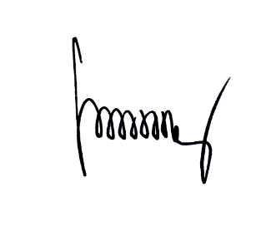
We hereby certify that we have reviewed the contents and hereby attest to the veracity and correctness of the data or Information contained in this document.

FREDESWINDA B. ESTRADA,CPA |  | MARIA THERESA R. TIMBOL
 | Local Accountant | Local Chief Executive

