Form 11 - SEFU
FDP Form 11 - SEF Utilization
(DepEd-DBM-DILG Joint Circular No. 1 s. 2017, SEF Budget Accountability Form No. 1)

 |  |  | SPECIAL EDUCATION FUND UTILIZATION
 |  |  | 1st Quarter, CY 2022

Province of Dava del Norte, Municipality of Kapalong

Receipt from SEF |  |  |  |  | 3,640,000.00

Less: | DISBURSEMENTS (broken down by expense class and by object of expenditures)

 | Personal Services
 | ___________________________________________________________________________________________ |  |  |  | 0
 | ___________________________________________________________________________________________ |  |  |  | 0
 | ___________________________________________________________________________________________ |  |  |  | 0

 | Maintenance and Other Operating Expenses
 | ______________________________________________________________________________________ |  |  |  | 677,181.50
 | ___________________________________________________________________________________________ |  |  |  | 0
 | ___________________________________________________________________________________________ |  |  |  | 0

 | Capital Outlay
 | ___________________________________________________________________________________________ |  |  |  | 0
 | ___________________________________________________________________________________________ |  |  |  | 0
 | ___________________________________________________________________________________________ |  |  |  | 0

 |  |  |  | Sub-total | 677,181.50

 |  |  |  | Balance | 2,962,818.50

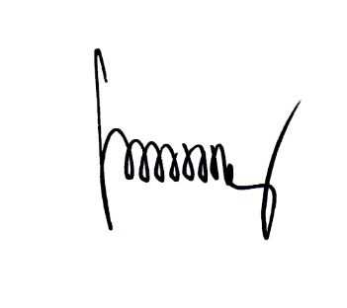
We hereby certify that we have reviewed the contents and hereby attest to the veracity and correctness of the data or Information contained in this document.

FREDESWINDA B. ESTRADA,CPA |  | MARIA THERESA R. TIMBOL
 | Local Accountant | Local Chief Executive

